INSTRUCTIONS
Instructions for Using File

1) | Please see the following tabs colored in blue-color palletes for Consumer Discretionary's Earnings Models
 | - | Darker shaded tabs indicate our current holdings
 | - | Lighter shaded tabs indicate stocks identified from our stock screening process. |  | (Click here for screening details)

2) | Within each tab, you will find historical data appearing to the right of column G, and forecasted information appearing within columns D - G.

3) | How to review forecasts:
 | - | Nearly all forecasted information relies on driver cells, which by default are hidden at the top of each tab.
 | - | Click the leftmost "+" button at the top of each tab to view the driver cells. Make sure to click the second grouping of "+" signs, if hidden.
 |  | See below for details:

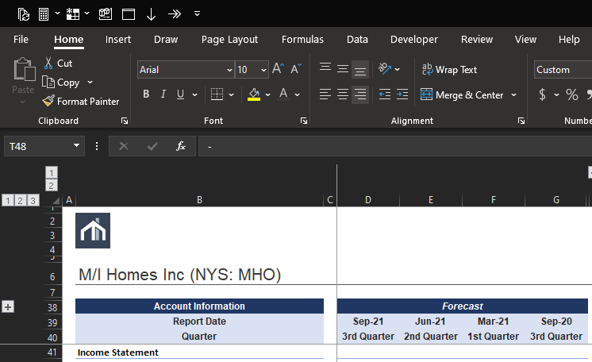
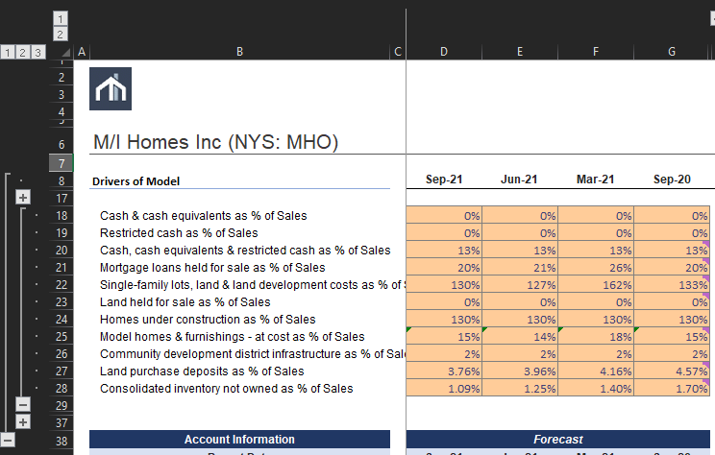

 | - | The only exceptions to using driver-based forecasts are the following:
 |  | o | Non-linear estimation or linear-regression based estimation, which will always include R-squared values
 |  | o | Fixed, constant, or long-term balance sheet items
 |  | o | Normal interval estimation for sporadic and immaterial items (these values are have a random probability, based on the mean and sample-standard deviation)

 | - | Else, please either trace cell dependencies from the formulas tab to see the calculation process trail. All forecasts should trace back to some cell.
 |  | Also, look out for comments on cells - they will have brief explanations for directional purposes

Intro


Screen
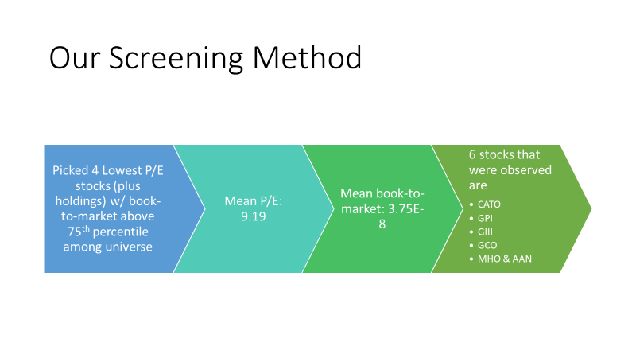

Screening Outcome
Notes on Relevent Assumptions Leading up to Earnings Model

 |  |  | Forward P/E Ratio
CATO |  |  | 6.6923
GPI |  |  | 6.8128
GIII |  |  | 6.8858
GCO |  |  | 7.4144
MHO |  |  | 7.1130
AAN |  |  | 11.7076
Top-4 Screened Stocks (Excluding Current Holdings)
Rank | Ticker | Forward P/E Ratio | Book to Market
1 | CATO | 6.6923 | 5.7329122401E-08
2 | GPI | 6.8128 | 4.1069559388E-08
3 | GIII | 6.8858 | 3.5834387966E-08
4 | GCO | 7.4144 | 7.5675621686E-08

 |  |  | Book to Market
CATO |  |  | 5.7329122401E-08
GPI |  |  | 4.1069559388E-08
GIII |  |  | 3.5834387966E-08
GCO |  |  | 7.5675621686E-08
MHO |  |  | 3.0124316496E-08
AAN |  |  | 5.9463617666E-09
Current Holdings
Rank | Ticker | Forward P/E Ratio | Book to Market
1 | MHO | 7.1130 | 3.0124316496E-08
2 | AAN | 11.7076 | 5.9463617666E-09

* Based on non-negative forward PE Ratios who appeared above the 75% quartile in book to market ratios
** First 3 stocks appear in top 8 (of 164) non-negative P/E Ratios, and others appear in top 16 (of 164)
*** Note that when comparing current holdings to others, MHO would rank #4, AAN #56 (as of 01/00/1900).

Executive Summary
Executive Summary of Pro Forma Estimations

M/I Homes Inc (NYS: MHO)
 | Revenue | Total costs & expenses | Net income (loss)
Sep-21
Jun-21 | 872,147 | 805,186 | 50,359
Mar-21 | 829,469 | 764,499 | 48,861
Sep-20 | 649,845 | 606,970 | 32,244
 | 744,642 | 687,979 | 42,614
Jun-20
Mar-20 | 714,194 | 642,473 | 54,502
Sep-19 | 577,603 | 536,351 | 31,642
Jun-19 | 653,345 | 603,385 | 37,734
Mar-19 | 623,686 | 582,857 | 29,872
Sep-18 | 481,109 | 457,388 | 17,965
Jun-18 | 567,842 | 528,450 | 29,194
Mar-18 | 558,098 | 524,395 | 28,083
Sep-17 | 437,857 | 414,604 | 17,443
Jun-17 | 476,423 | 441,892 | 22,185
Mar-17 | 456,866 | 431,901 | 16,769
Sep-16 | 406,980 | 380,679 | 16,849
Jun-16 | 442,464 | 424,069 | 10,894
Mar-16 | 401,247 | 376,461 | 15,752
 | 324,370 | 310,269 | 8,575
1)

Aaron's Inc (NYS: AAN)
 | Total revenues | Total costs & expenses | Net earnings (loss)
Sep-21 | 1,078,508 | 1,046,015 | 23,617
Jun-21 | 1,090,471 | 1,051,515 | 28,577
Mar-21 | 1,165,677 | 1,076,215 | 67,298
Sep-20 | 1,017,636 | 976,415 | 30,289
Jun-20 | 1,030,119 | 936,869 | 68,185
Mar-20 | 1,101,274 | 1,510,169 | (276,103)
Sep-19 | 963,808 | 908,963 | 39,557
Jun-19 | 968,141 | 915,267 | 35,678
Mar-19 | 1,012,103 | 940,042 | 54,284
Sep-18 | 953,071 | 895,861 | 43,952
Jun-18 | 927,859 | 856,022 | 36,807
Mar-18 | 954,809 | 884,911 | 52,080
Sep-17 | 838,883 | 796,194 | 25,341
Jun-17 | 815,644 | 755,660 | 35,313
Mar-17 | 844,554 | 759,187 | 52,178
Sep-16 | 768,982 | 718,173 | 30,764
Jun-16 | 789,353 | 721,201 | 41,763
Mar-16 | 854,427 | 781,905 | 36,951
2)

Cato Corp. (NYS: CATO)
 | Total revenues | Costs & expenses, net | Net income (loss)
Nov-21 | 191,523 | 184,488 | 5,905
Aug-21 | 212,581 | 197,946 | 12,285
May-21 | 230,351 | 209,294 | 17,675
Nov-20 | 190,012 | 183,824 | 5,194
Aug-20 | 168,170 | 179,220 | (7,170)
May-20 | 100,732 | 138,263 | (28,417)
Nov-19 | 191,523 | 185,487 | 5,985
Aug-19 | 212,581 | 198,581 | 11,866
May-19 | 230,351 | 204,780 | 21,255
Nov-18 | 190,012 | 187,499 | 3,800
Aug-18 | 208,917 | 201,414 | 6,482
May-18 | 238,300 | 211,716 | 23,411
Oct-17 | 190,273 | 190,409 | 2,694
Jul-17 | 206,961 | 209,091 | (881)
Apr-17 | 239,741 | 213,681 | 22,233
Oct-16 | 209,262 | 205,888 | 8,260
Apr-16 | 287,973 | 237,792 | 35,874
3)

Group 1 Automotive, Inc. (NYS: GPI)
 | Total revenues | Total cost of sales | Income (loss) from operations
Sep-21 | 2,170,134 | 1,815,694 | 90,594
Jun-21 | 1,781,450 | 1,483,352 | 37,342
Mar-21 | 2,245,793 | 1,872,177 | 109,154
Sep-20 | 2,599,531 | 2,188,307 | 143,960
Jun-20 | 2,131,300 | 1,772,400 | 79,100
Mar-20 | 2,690,800 | 2,274,400 | 69,800
Sep-19 | 3,118,300 | 2,652,700 | 83,300
Jun-19 | 3,005,689 | 2,551,436 | 97,137
Mar-19 | 2,808,376 | 2,376,873 | 86,798
Sep-18 | 2,889,058 | 2,453,957 | 78,190
Jun-18 | 2,943,462 | 2,505,299 | 109,165
Mar-18 | 2,860,026 | 2,440,263 | 79,074
Sep-17 | 3,012,292 | 2,580,872 | 78,508
Jun-17 | 2,672,195 | 2,267,303 | 92,231
Mar-17 | 2,518,829 | 2,135,307 | 80,137
Sep-16 | 2,823,176 | 2,416,508 | 83,916
Jun-16 | 2,782,449 | 2,372,330 | 97,360
Mar-16 | 2,608,355 | 2,219,254 | 82,041
4)

G-III Apparel Group Ltd. (NMS: GIII)
 | Net sales | Cost of goods sold | Net income (loss)
Oct-21 | 341,992 | 211,992 | 36,033
Jul-21 | 163,622 | 101,425 | (3,446)
Apr-21 | 223,034 | 138,253 | (1,538)
Oct-20 | 621,212 | 385,073 | 71,309
Jul-20 | 297,212 | 162,519 | (14,976)
Apr-20 | 405,131 | 280,730 | (39,295)
Oct-19 | 1,128,403 | 729,384 | 95,387
Jul-19 | 643,892 | 412,123 | 11,119
Apr-19 | 633,552 | 397,488 | 12,043
Oct-18 | 1,072,982 | 690,882 | 94,025
Jul-18 | 624,698 | 393,154 | 10,077
Apr-18 | 611,743 | 377,216 | 9,885
Oct-17 | 1,024,993 | 634,128 | 81,625
Jul-17 | 538,006 | 335,115 | (8,568)
Apr-17 | 529,042 | 327,186 | (10,391)
Oct-16 | 883,476 | 562,024 | 70,564
Apr-16 | 457,403 | 291,734 | 2,771
5)

Genesco Inc. (NYS: GCO)
 | Net sales | Cost of sales | Net earnings (loss)
Nov-21 | 251,137 | 240,131 | (147,643)
Aug-21 | 267,473 | 255,751 | (143,649)
May-21 | 190,909 | 182,543 | (152,084)
Nov-20 | 367,324 | 351,226 | (142,809)
Aug-20 | 391,217 | 224,217 | (19,036)
May-20 | 279,232 | 159,088 | (134,777)
Nov-19 | 537,263 | 273,061 | 18,899
Aug-19 | 486,573 | 250,040 | 577
May-19 | 495,651 | 250,743 | 6,346
Nov-18 | 713,069 | 359,941 | 14,387
Aug-18 | 653,892 | 332,450 | (15)
May-18 | 644,959 | 323,131 | (2,331)
Oct-17 | 716,759 | 362,761 | (164,821)
Jul-17 | 616,506 | 309,999 | (3,948)
Apr-17 | 643,368 | 324,455 | 885
Oct-16 | 710,822 | 355,187 | 25,895
Apr-16 | 648,793 | 319,096 | 10,410
6)

MHO (2)
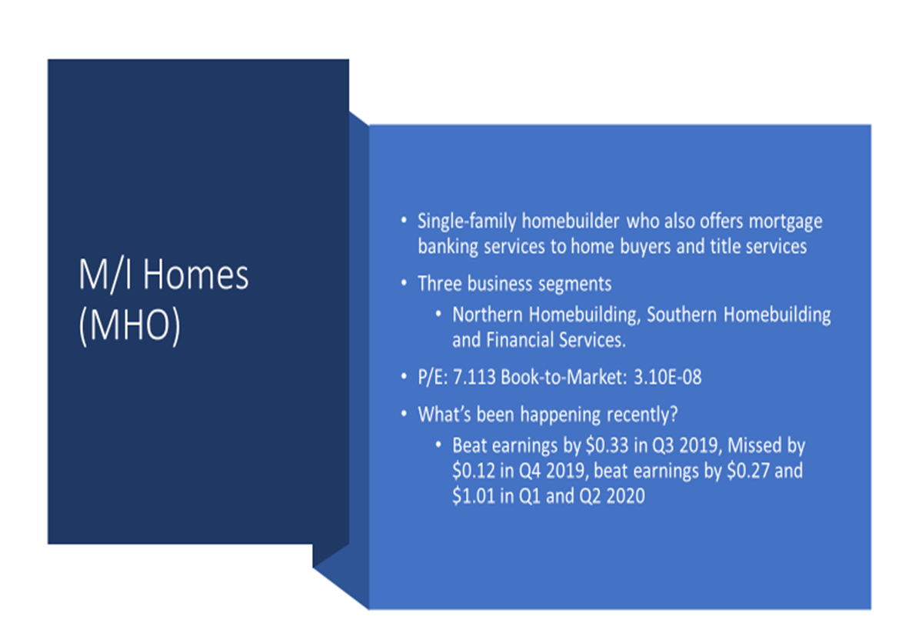
Quarterly EPS
 | Sep-2019 (3 Months) | Dec-2019 (3 Months) | Mar-2020 (3 Months) | Jun-2020 (3 Months)
Total Revenue | 653.4 | 742.2 | 577.6 | 714.2
Net Income | 37.8 | 41.8 | 31.8 | 54.5
EPS | 1.3 | 1.4 | 1.1 | 1.9

Quarterly Revenue Vs Net Income

AAN (2)
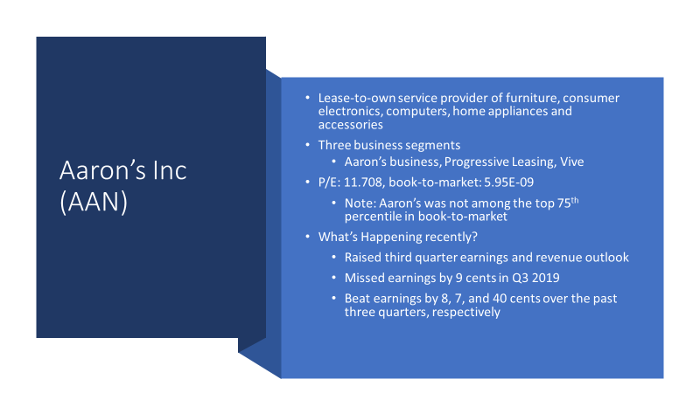
Quarterly EPS
3 Months Ended | Total Revenue | Net Income | EPS
Sep-19 | 963.8 | 39.8 | 0.6
Dec-19 | 1003.6 | -107.1 | -1.6
Mar-20 | 1101.3 | -280 | -4.7
Jun-20 | 1030.1 | 68.4 | 1

Quarterly Revenue Vs Net Income
 | Total Revenue | Net Income
Sep-19 | 963.8 | 39.8
Dec-19 | 1003.6 | -107.1
Mar-20 | 1101.3 | -280
Jun-20 | 1030.1 | 68.4

CATO (2)
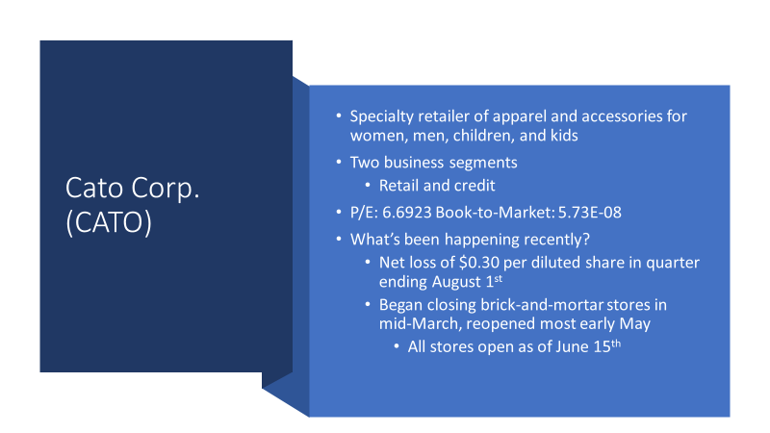
Quarterly EPS
 | Sep-2019 (3 Months) | Dec-2019 (3 Months) | Mar-2020 (3 Months) | Jun-2020 (3 Months)
EPS | 0.2 | -0.1 | -1.6 | -0.5
Total Revenue | 191.5 | 190.9 | 100.7 | 168.2
Net Income | 6 | -3.2 | -28.4 | -7.2

Quarterly Revenue Vs. Net Income

GPI (2)
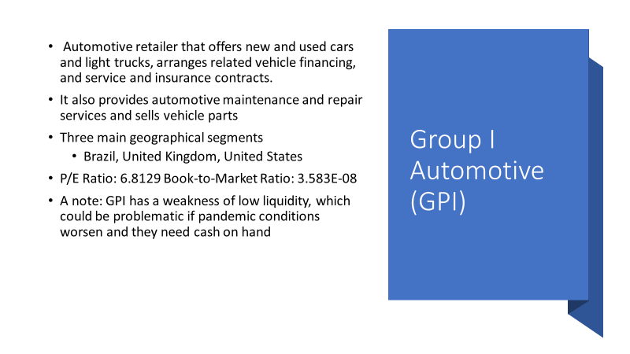
Quarterly Revenue vs Net Income

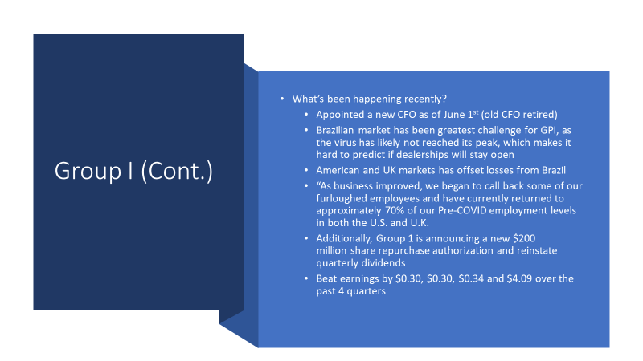
Quarterly EPS
 | Sep-2019 (3 Months) | Dec-2019 (3 Months) | Mar-2020 (3 Months) | Jun-2020 (3 Months)
EPS | 2 | 2.6 | 1.6 | 1.6
Total Revenue | 3118.3 | 3111.4 | 2690.8 | 2131.2
Net Income | 38 | 48.1 | 29.8 | 30.1

GIII (2)

Quarterly Revenue vs. Net Income

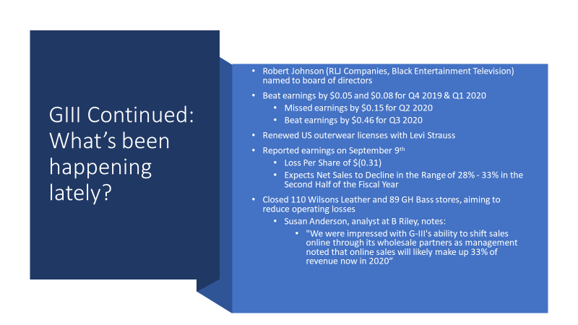
Quarterly EPS
 | Oct-2019 (3 Months) | Jan-2020 (3 Months) | Apr-2020 (3 Months) | Jul-2020 (3 Months)
EPS | 2 | 0.5 | -0.8 | -0.3
Total Revenue | 1128.4 | 754.6 | 405.1 | 297.2
Net Income | 95.4 | 25.3 | -39.3 | -15

GCO (2)

Quarterly Revenue Vs Net Income

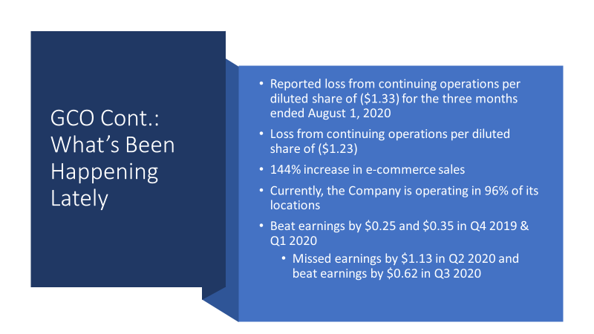
Quarterly EPS
 | Nov-2019 (13 Weeks) | Feb-2020 (13 Weeks) | May-2020 (3 Months) | Aug-2020 (3 Months)
EPS | 1.3 | 2.5 | -9.5 | -1.3
Total Revenue | 537.3 | 677.6 | 279.2 | 391.2
Net Income | 18.9 | 35.6 | -134.8 | -19

